Model-Related-Train
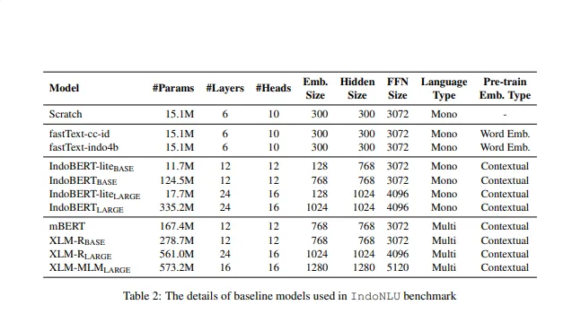
MODEL RELATED HYPERPARAMETER SEARCH

Model | Hidden Layer | Hidden Size | Attention Head | Accuracy | Recall | Precision
IndoBERT-Base | 12 | 768 | 12 |  |  |  | python main.py --model indobert_base --save_model_name indobert_base_default

IndoBERT-Large | 24 | 1024 | 16 |  |  |  | python main.py --model indobert_large --save_model_name indobert_large_default

Hyperparameter search menggunakan parameter default ini :
Epoch : 10
Learning Rate : 0.0001
Batch Size : 8

Train-Related-Train
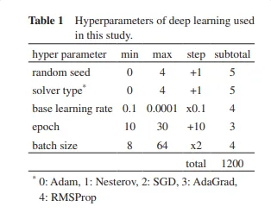
TRAIN RELATED HYPERPARAMETER SEARCH

Run | Epoch | Learning Rate | Batch Size | Accuracy | Recall | Precision
1 | 10 | 0.0001 | 8 |  |  |  | python main.py --model indobert_base --epoch 10 --lr 1e-4 --batch_size 8 --save_model_name indobert_E10_LR1e-4_BS8
2 | 10 | 0.0001 | 16 |  |  |  | python main.py --model indobert_base --epoch 10 --lr 1e-4 --batch_size 16 --save_model_name indobert_E10_LR1e-4_BS16
3 | 10 | 0.0001 | 32 |  |  |  | python main.py --model indobert_base --epoch 10 --lr 1e-4 --batch_size 32 --save_model_name indobert_E10_LR1e-4_BS32
4 | 10 | 0.001 | 8 |  |  |  | python main.py --model indobert_base --epoch 10 --lr 1e-3 --batch_size 8 --save_model_name indobert_E10_LR1e-3_BS8
5 | 10 | 0.001 | 16 |  |  |  | python main.py --model indobert_base --epoch 10 --lr 1e-3 --batch_size 16 --save_model_name indobert_E10_LR1e-3_BS16
6 | 10 | 0.001 | 32 |  |  |  | python main.py --model indobert_base --epoch 10 --lr 1e-3 --batch_size 32 --save_model_name indobert_E10_LR1e-3_BS32
7 | 10 | 0.01 | 8 |  |  |  | python main.py --model indobert_base --epoch 10 --lr 1e-2 --batch_size 8 --save_model_name indobert_E10_LR1e-2_BS8
8 | 10 | 0.01 | 16 |  |  |  | python main.py --model indobert_base --epoch 10 --lr 1e-2 --batch_size 16 --save_model_name indobert_E10_LR1e-2_BS16
9 | 10 | 0.01 | 32 |  |  |  | python main.py --model indobert_base --epoch 10 --lr 1e-2 --batch_size 32 --save_model_name indobert_E10_LR1e-2_BS32
10 | 20 | 0.0001 | 8 |  |  |  | python main.py --model indobert_base --epoch 20 --lr 1e-4 --batch_size 8 --save_model_name indobert_E10_LR1e-4_BS8
11 | 20 | 0.0001 | 16 |  |  |  | python main.py --model indobert_base --epoch 20 --lr 1e-4 --batch_size 16 --save_model_name indobert_E10_LR1e-4_BS16
12 | 20 | 0.0001 | 32 |  |  |  | python main.py --model indobert_base --epoch 20 --lr 1e-4 --batch_size 32 --save_model_name indobert_E10_LR1e-4_BS32
13 | 20 | 0.001 | 8 |  |  |  | python main.py --model indobert_base --epoch 20 --lr 1e-3 --batch_size 8 --save_model_name indobert_E10_LR1e-3_BS8
14 | 20 | 0.001 | 16 |  |  |  | python main.py --model indobert_base --epoch 20 --lr 1e-3 --batch_size 16 --save_model_name indobert_E10_LR1e-3_BS16
15 | 20 | 0.001 | 32 |  |  |  | python main.py --model indobert_base --epoch 20 --lr 1e-3 --batch_size 32 --save_model_name indobert_E10_LR1e-3_BS32
16 | 20 | 0.01 | 8 |  |  |  | python main.py --model indobert_base --epoch 20 --lr 1e-2 --batch_size 8 --save_model_name indobert_E10_LR1e-2_BS8
17 | 20 | 0.01 | 16 |  |  |  | python main.py --model indobert_base --epoch 20 --lr 1e-2 --batch_size 16 --save_model_name indobert_E10_LR1e-2_BS16
18 | 20 | 0.01 | 32 |  |  |  | python main.py --model indobert_base --epoch 20 --lr 1e-2 --batch_size 32 --save_model_name indobert_E10_LR1e-2_BS32
19 | 30 | 0.0001 | 8 |  |  |  | python main.py --model indobert_base --epoch 30 --lr 1e-4 --batch_size 8 --save_model_name indobert_E10_LR1e-4_BS8
20 | 30 | 0.0001 | 16 |  |  |  | python main.py --model indobert_base --epoch 30 --lr 1e-4 --batch_size 16 --save_model_name indobert_E10_LR1e-4_BS16
21 | 30 | 0.0001 | 32 |  |  |  | python main.py --model indobert_base --epoch 30 --lr 1e-4 --batch_size 32 --save_model_name indobert_E10_LR1e-4_BS32
22 | 30 | 0.001 | 8 |  |  |  | python main.py --model indobert_base --epoch 30 --lr 1e-3 --batch_size 8 --save_model_name indobert_E10_LR1e-3_BS8
23 | 30 | 0.001 | 16 |  |  |  | python main.py --model indobert_base --epoch 30 --lr 1e-3 --batch_size 16 --save_model_name indobert_E10_LR1e-3_BS16
24 | 30 | 0.001 | 32 |  |  |  | python main.py --model indobert_base --epoch 30 --lr 1e-3 --batch_size 32 --save_model_name indobert_E10_LR1e-3_BS32
25 | 30 | 0.01 | 8 |  |  |  | python main.py --model indobert_base --epoch 30 --lr 1e-2 --batch_size 8 --save_model_name indobert_E10_LR1e-2_BS8
26 | 30 | 0.01 | 16 |  |  |  | python main.py --model indobert_base --epoch 30 --lr 1e-2 --batch_size 16 --save_model_name indobert_E10_LR1e-2_BS16
27 | 30 | 0.01 | 32 |  |  |  | python main.py --model indobert_base --epoch 30 --lr 1e-2 --batch_size 32 --save_model_name indobert_E10_LR1e-2_BS32

Pada hyperparameter search ini menggunakan tiga pilihan nilai untuk setiap parameter:

Epoch: 10, 20, 30
Learning Rate: 0.0001, 0.001, 0.01
Batch Size: 8, 16, 32

